D1
 | Light Key |  |  | Heavy Key |  |  | HYSYS |  |  | Given
 | in bottoms |  |  | in dist
 | Trayed
 | 1 |  | total flowrate | 1619 | kgmole/hr
 | Column 1 | K Feed Value | Feed Molar Frac | Feed Molar Flow | Distillate Recovery | Bottoms Recovery | Distillate Molar Flows | Bottoms Molar Flow | Distillate Mol frac | Bottoms Mol Frac |  |  | Feed P | 2000 | kPa | Shortcut Column
1 | Ethylene | 3.658 | 0.0005 | 0.8095 | 1 | 0 | 0.8095 | 0 | 0.0013361481521 | 0 |  |  | Feed T | 40 | C | Min # of Trays | 14.35 | 15
2 | Acetylene | 2.55 | 0.0031 | 5.0189 | 1 | 0 | 5.0189 | 0 | 0.0082841185431 | 0 |  |  | Mol Flow | 1619.0 | kmol/hr | Actual # of Trays | 31
3 | HCl | 2.278 | 0.373 | 603.887 | 0.98 | 0.02 | 591.80926 | 12.07774 | 0.97683119104 | 0.011920931942 |  |  |  |  |  | Optimal Feed Stage | 14
4 | Cl2 | 0.5849 | 0.0016 | 2.5904 | 0.9 | 0.1 | 2.33136 | 0.25904 | 0.0038481066781 | 0.00025567682449 |  |  |  |  |  | Condesner Temp | -9.2 | C
5 | VinylCl | 0.3699 | 0.363 | 587.697 | 0.01 | 0.99 | 5.87697 | 581.82003 | 0.0097004355843 | 0.57426612761 |  |  |  |  |  | Reboiler Temp | 126.8 | C
6 | Butadiene | 0.3091 | 0.0016 | 2.5904 | 0 | 1 | 0 | 2.5904 | 0 | 0.0025567682449 |  |  |  |  |  | Min Reflux Ratio | 0.661 | -
7 | 12-ClC2 | 1.85E-02 | 0.2566 | 415.4354 | 0 | 1 | 0 | 415.4354 | 0 | 0.41004170728 |  |  |  |  |  | External reflux Ratio | 0.945 | -
8 | 112-ClC2 | 7.58E-03 | 0.0006 | 0.9714 | 0 | 1 | 0 | 0.9714 | 0 | 0.00095878809185
9 | Oxygen | 0 | 0 | 0 | 0 | 1 | 0 | 0 | 0 | 0
10 | CO2 | 0 | 0 | 0 | 0 | 1 | 0 | 0 | 0 | 0
11 | Water | 0 | 0 | 0 | 0 | 1 | 0 | 0 | 0 | 0
 |  |  |  |  |  | sum | 605.84599 | 1013.15401

 | 2

 | Reboiler Pressure | 160 | psia | Textbook Page 386
 | Condensor Pressure | 154 | psia

 |  | K Feed Value | K Values Distillate (Full Column) | K Values Bottoms (Full Column) | K Values Geometric
 | Ethylene | 3.6580 | 1.89 | 7.889 | 10.47
 | Acetylene | 2.5500 | 1.109 | 6.589 | 7.33
 | HCl | 2.2780 | 1.015 | 4.689 | 5.91
 | Cl2 | 0.5849 | 0.1972 | 1.745 | 1.59
 | VinylCl | 0.3699 | 0.1099 | 1.238 | 1.00
 | Butadiene | 0.3091 | 8.18E-02 | 1.755 | 1.03
 | 12-ClC2 | 0.0185 | 2.33E-03 | 0.16860741853 | 0
 | 112-ClC2 | 0.0076 | 7.76E-04 | 8.97E-02 | 0
 | Oxygen | 0.0000 | 0 | 0 | 0
 | CO2 | 0.0000 | 1.279 | 5.835 | 7
 | Water | 0.0000 | 1.84E-02 | 0.551 | 0

 | 3 | Min # of Stages (Fenske Eqn) | 15

 | dLK | 2.33136 | alpha A (Lk/Hk) | 1.7943585077
 | bLK | 0.25904 | alpha B | 1.4095315024
 | bHK | 581.82003 | alpha average | 1.590347397
 | dHK | 5.87697

 | 4 | Estimate of non-key comppnents compisitions: |  |  |  |  |  |  |  | Fi = Di + Bi
 | Component | Feed Molar Flows (kmol/hr) | Distillate Recovery | Bottoms Recovery | Ratio Ditillate / Bottoms | Bottoms Molar Flows (kmol/hr) | Distallate Molar Flows (kmol/hr) | X_D_i | X_B_i | alpha i | D i | B i
 | Ethylene | 0.81 | 1 | 0 | 1.4419062433E+13 | 0 | 0.8095 | 0.0013015093856 | 5.6308203835E-17 | 10.468457918 | 0.81 | 5.6140959494E-14
 | Acetylene | 5.02 | 1 | 0 | 77923216634 | 0 | 5.0189 | 0.0080693581904 | 6.4600148175E-14 | 7.328521365 | 5.02 | 6.4408275437E-11
 | HCl | 603.89 | 0.98 | 0.02 | 3377783553.8 | 12.07774 | 591.80926 | 0.97092600134 | 1.7931462277E-10 | 5.9144446107 | 603.89 | 1.7878202976E-07
 | Cl2 | 2.59 | 0.9 | 0.1 | 15.050666738 | 0.25904 | 2.33136 | 0.0039053498451 | 0.00016186971317 | 1.590347397 | 2.43 | 0.16138893432
 | VinylCl | 587.70 | 0.01 | 0.99 | 0.016891881861 | 581.82003 | 5.87697 | 0.015695934587 | 0.57965626858 | 1 | 9.76 | 577.93459706
 | Butadiene | 2.59 | 0 | 1 | 0.025066962531 | 2.5904 | 0 | 0.00010184665219 | 0.0025345825357 | 1.0273280104 | 0.06 | 2.5270544215
 | 12-ClC2 | 415.44 | 0 | 1 | 4.329130799E-21 | 415.4354 | 0 | 0 | 0.41667298518 | 0.053717894755 | 0.00 | 415.4354
 | 112-ClC2 | 0.97 | 0 | 1 | 1.3625451869E-26 | 0.9714 | 0 | 0 | 0.00097429380791 | 0.022609988574 | 0.00 | 0.9714
 | Oxygen | 0.00 | 0 | 1 | 0 | 0 | 0 | 0 | 0 | 0 | 0.00 | 0
 | CO2 | 0.00 | 0 | 1 | 90932981942 | 0 | 0 | 0 | 0 | 7.4062187271 | 0.00 | 0
 | Water | 0.00 | 0 | 1 | 9.4323469821E-11 | 0 | 0 | 0 | 0 | 0.273069478 | 0.00 | 0
 | Sum | 1619.00 |  |  |  | 1013.15401 | 605.84599 | 1 | 1 |  | 621.97 | 997.03

 | 5 | Min Reflux Ratio (Underwood Eqn)
 | Net Liquid | 2202.628 | kmol/hr
 | Net Feed | 1619 | kmol/hr
 | Q | 1.36
 | set eqn = 0 | -2.2E-09
 | Θ | 1.42 | solver: find by setting ^ =0

 | Component | Alpha i | X_F,i | Alpha i*X_F,i/ (alpha - Θ) | (Alpha_i*X_D,i)/ (alpha-Θ)
 | Ethylene | 10.468457918 | 0.0005 | 0.00057868941505 | 0.00150633941
 | Acetylene | 7.328521365 | 0.0031 | 0.0038472961599 | 0.010014584122
 | HCl | 5.9144446107 | 0.373 | 0.49122882158 | 1.2786778431
 | Cl2 | 1.590347397 | 0.0016 | 0.015249604502 | 0.037221900363
 | VinylCl | 1 | 0.363 | -0.85716927193 | -0.037063561493
 | Butadiene | 1.0273280104 | 0.0016 | -0.0041491549352 | -0.00026411096223
 | 12-ClC2 | 0.053717894755 | 0.2566 | -0.010063018834 | 0
 | 112-ClC2 | 0.022609988574 | 0.0006 | -9.683929085E-06 | 0
 |  |  | sum | -0.36048671797 | 1.2900929946

 | 6 | Rmin | 0.29
 | R/Rmin | 1.4
 | R | 0.41 |  | Which Huerstic?

 | 7 | Actual # of stages, N (Gilliland Correlation or Figure 13.1)
 | Left Side | 0.56725694812 | Right Side | 0.56725696011 | Set = 0 | -1.1986286408E-08
 | N | 35 | solver

 | 8 | Feed Stage (Kirkbride Eqn)
 | N_D / N_B | 0.76
 | N_B | 19.97
 | N_D | 15.17
 | Feed Stage | 16

 | 9 | Column Internals (trays, random or structural packing)
 | Hole Diameter | 0.015 | m | Slides
 | Fractional Free Area | 0.1 | m^2 | Slides
 | Downcomer Area | 0.2 | m^2 | Slides
 | Pitch/Hole diameter ratio | 3 |  | Slides |  |  |  |  |  | Hole Diameter | 0.0127 | m
 | Tray Spacing | 0.76 | m | Slides |  |  |  |  |  | Cross-sectional Area | 7.806 | m^2
 | Weir Height | 0.05 | m | Slides |  |  |  |  |  | Tray Spacing | 0.6096 | m
 | Average Liquid Viscosity | 0.01 | cP |  |  |  |  |  |  | Weir Height | 50.8 | mm
 | Average Product Volatility | 1.59 |  | Lk/Hk geometric
 | product | 0.022
 | Eo | 0.8 |  | from figure 13.3
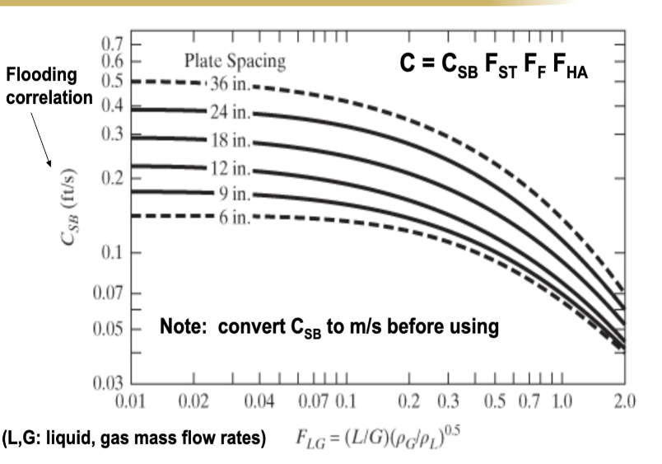
 | N_Actual | 44
 | Tray Type | Sieve

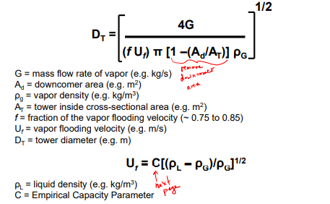
 | 10 | Column Diameter
 | G | 7.4E+05 | lb/hr
 |  | 5.82 | kg/s
 | L | 828035.6444 | lb/hr
 |  | 6.48 | kg/s
 | rho_g | 3.2 | lb/ft^3
 |  | 0.09 | kg/ft^3
 | rho_I | 54.1 | lb/ft^3
 |  | 1.53 | kg/ft^3
 | C_SB | 0.25 | ft/s | from figure
 | sigma | 9.93 | dyne/cm
 | F_ST (surface tension factor) | 0.87
 | F_F (foam factor) | 1 | *Assuming no foaming in the system
 | F_HA (hole factor) | 1 | *sieve trays
 | C (empirical capacity parameter) | 0.22 | ft/s
 | Uf (vapor flooding velocity | 0.87 | ft/s
 | F_LG | 0.27
 | f (fraction of the vapor flooding velocity) | 0.8 |  | Trayed vs. Packed? | 0.75-0.85
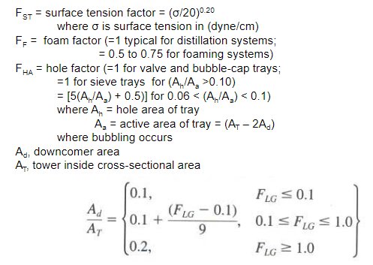
 | Ad/At | 0.1 | from figure
 | Tower Diameter | 11.52 | ft |  | 20 ft max

 | 11 | Column Height
 | Tower Height | 107.22 | ft |  | 150 ft max
 |  | 32.68 | m

 | Disengagment Height | 4 | ft
 | bottoms storage height | 10 | ft
 | Tower Height (tangent-to-tangent) | 121.22 | ft

 | Construction Material?

 | Performance Tab
 | Viscosity through the column (cP) | L (lb/hr) | G (lb/hr) | Liquid density (lb/ft^3) | Gas density (lb/ft^3) | Surface Tension (dyne/cm)
 | 1.27E-02 | 487010.56593 | 1.58E-03 | 60.211142866 | 2.5564528805 | 8.2784722529
 | 1.27E-02 | 488241.44483 | 535711.62266 | 60.914019967 | 2.5560935469 | 8.4346535293
 | 1.28E-02 | 496039.34921 | 536942.50156 | 63.423807766 | 2.5535490391 | 9.073652156
 | 1.33E-02 | 534054.0599 | 544740.40594 | 69.279222805 | 2.5703640962 | 10.688897053
 | 1.44E-02 | 609382.99505 | 582755.11664 | 72.817816623 | 2.7590427993 | 11.494304114
 | 1.52E-02 | 675660.32702 | 658084.05178 | 70.696528455 | 3.1350950353 | 10.447484539
 | 1.53E-02 | 706766.86687 | 724361.38375 | 66.986993433 | 3.3779760157 | 9.5299274346
 | 1.51E-02 | 713873.0609 | 755467.92361 | 63.224500539 | 3.4487778524 | 8.8638995739
 | 1.48E-02 | 711162.72386 | 762574.11764 | 59.680287806 | 3.4391173828 | 8.3464435263
 | 1.45E-02 | 705430.46783 | 759863.7806 | 56.557063973 | 3.4019436594 | 7.9364169284
 | 1.42E-02 | 698751.52469 | 754131.52457 | 54.003081889 | 3.3583502748 | 7.6646908858
 | 1.39E-02 | 690548.7643 | 747452.58142 | 52.059368188 | 3.3146148486 | 7.5972941859
 | 1.37E-02 | 677547.11723 | 739249.82103 | 50.698777007 | 3.268652949 | 7.840953587
 | 1.36E-02 | 647834.77284 | 726248.17397 | 49.994269406 | 3.2084028759 | 8.6308055174
 | 1.36E-02 | 984694.9604 | 696535.82958 | 50.917889247 | 3.088320208 | 10.712048566
 | 1.34E-02 | 1021092.7727 | 802951.89926 | 49.735849359 | 3.2290392061 | 10.084329818
 | 1.33E-02 | 1032833.1856 | 839349.71159 | 49.220756393 | 3.2713469711 | 9.8694410768
 | 1.32E-02 | 1036304.545 | 851090.12448 | 48.95969807 | 3.281013918 | 9.7915205514
 | 1.32E-02 | 1037269.9066 | 854561.48389 | 48.793813079 | 3.2814500891 | 9.7579957228
 | 1.32E-02 | 1037507.9182 | 855526.84548 | 48.678120987 | 3.2797400952 | 9.740130086
 | 1.32E-02 | 1037540.5554 | 855764.85709 | 48.593836432 | 3.2778492425 | 9.7289545159
 | 1.32E-02 | 1037510.1544 | 855797.49422 | 48.531949682 | 3.2762366971 | 9.721622042
 | 1.31E-02 | 1037439.439 | 855767.09321 | 48.485554243 | 3.2749313804 | 9.7174645789
 | 1.31E-02 | 1037298.185 | 855696.37782 | 48.451859556 | 3.2738307854 | 9.7171313705
 | 1.31E-02 | 1037000.8203 | 855555.1239 | 48.428384091 | 3.2727551826 | 9.7230134718
 | 1.31E-02 | 1036357.9079 | 855257.75921 | 48.414263044 | 3.2713968191 | 9.7408636713
 | 1.31E-02 | 1034955.317 | 854614.84673 | 48.41090435 | 3.2691639265 | 9.7835668377
 | 1.31E-02 | 1031868.4096 | 853212.25581 | 48.42414822 | 3.2648233277 | 9.8796118382
 | 1.31E-02 | 1024923.3507 | 850125.34843 | 48.47096043 | 3.2556653964 | 10.092677401
 | 1.31E-02 | 1008454.45 | 843180.28956 | 48.604898165 | 3.2353488438 | 10.570270871
 | 1.31E-02 | 965881.58775 | 826711.38889 | 49.036860871 | 3.1873643624 | 11.678642383
 | 1.32E-02 | 862195.69813 | 784138.52661 | 50.71078461 | 3.0641571363 | 14.339265134
 | 1.36E-02 | 181743.06114 | 680452.63699 | 55.399811319 | 2.7894010172 | 18.316051624

D2
 | Light Key |  |  | Heavy Key |  |  | HYSYS |  |  | Given
 | Packed?
 | 1 |  | total flowrate | 1001 | kgmole/hr
 | Column 2 | K Feed Value | Feed Molar Frac | Feed Molar Flow | Distillate Recovery | Bottoms Recovery | Distillate Molar Flows | Bottoms Molar Flow | Distillate Mol frac | Bottoms Mol Frac
1 | Ethylene | 6.816 | 0 | 0 | 1 | 0 | 0 | 0 | 0 | 0 |  |  | Feed P | 2000 | kPa | Shortcut Column
2 | Acetylene | 5.884 | 0.0001 | 0.1001 | 1 | 0 | 0.1001 | 0 | 0.00017191467737 | 0 |  |  | Feed T | 127 | C | Min # of Trays | 130
3 | HCl | 5.355 | 0 | 0 | 1 | 0 | 0 | 0 | 0 | 0 |  |  | Mol Flow | 1001.0 | kmol/hr | Actual # of Trays | 220
4 | Cl2 | 2.129 | 0.0003 | 0.3003 | 1 | 0 | 0.3003 | 0 | 0.00051574403211 | 0 |  |  |  |  |  | Optimal Feed Stage | 59
5 | VinylCl | 1.535 | 0.5812 | 581.7812 | 0.999 | 0.001 | 581.1994188 | 0.5817812 | 0.99816893677 | 0.001389047888 |  |  |  |  |  | Condesner Temp | 94.81 | C
6 | Butadiene | 1.416 | 0.0025 | 2.5025 | 0.1 | 0.9 | 0.25025 | 2.25225 | 0.00042978669343 | 0.0053774221403 |  |  |  |  |  | Reboiler Temp | 220.5 | C
7 | 12-ClC2 | 2.07E-01 | 0.4151 | 415.5151 | 0.001 | 0.999 | 0.4155151 | 415.0995849 | 0.00071361782576 | 0.99108256112 |  |  |  |  |  | Min Reflux Ratio | 11.274 | -
8 | 112-ClC2 | 1.12E-01 | 0.0009 | 0.9009 | 0 | 1 | 0 | 0.9009 | 0 | 0.0021509688561 |  |  |  |  |  | External reflux Ratio | 15.74 | -
9 | Oxygen | 0 | 0 | 0 | 0 | 1 | 0 | 0 | 0 | 0
10 | CO2 | 0 | 0 | 0 | 0 | 1 | 0 | 0 | 0 | 0
11 | Water | 0 | 0 | 0 | 0 | 1 | 0 | 0 | 0 | 0
 |  |  |  |  |  | sum | 582.2655839 | 418.8345161

 | 2

 | Reboiler Pressure | 160 | psia | Textbook Page 386
 | Condensor Pressure | 154 | psia
 |  |  |  |  |  | plots perf
 |  | K Feed Value | K Values Distillate (Full Column) | K Values Bottoms (Full Column) | K Values Geometric
 | Ethylene | 6.82 | 4.418 | 40.77 | 8
 | Acetylene | 5.88 | 3.831 | 12.4 | 4
 | HCl | 5.36 | 3.688 | 12.43 | 4
 | Cl2 | 2.13 | 1.498 | 4.83 | 1.58
 | VinylCl | 1.54 | 0.9999 | 4.583 | 1.26
 | Butadiene | 1.42 | 0.8639 | 3.336 | 1.00
 | 12-ClC2 | 0.21 | 0.1623 | 0.7739 | 0
 | 112-ClC2 | 0.11 | 9.00E-02 | 0.4469 | 0
 | Oxygen | 0.00 | 0 | 0 | 0
 | CO2 | 0.00 | 4.41 | 1 | 1
 | Water | 0.00 | 0.5945 | 1.174 | 0

 | 3 | Min # of Stages (Fenske Eqn) | 39.3

 | dLK | 581.1994188 | alpha A (Lk/Hk) | 1.157425628
 | bLK | 0.5817812 | alpha B | 1.3738009592
 | bHK | 2.25225 | alpha average | 1.2609807445
 | dHK | 0.25025

 | 4 | Estimate of non-key comppnents compisitions: |  |  |  |  |  |  |  | Fi = Di + Bi
 | Component | Feed Molar Flows (kmol/hr) | Distillate Recovery | Bottoms Recovery | Ratio Ditillate / Bottoms | Bottoms Molar Flows (kmol/hr) | Distallate Molar Flows (kmol/hr) | X_D_i | X_B_i | alpha i | D i | B i
 | Ethylene | 0.00 | 1 | 0 | 1.4311645392E+34 | 0 | 0 | 0 | 0 | 7.905665841 | 0.00 | 0
 | Acetylene | 0.10 | 1 | 0 | 6.2118788044E+22 | 0 | 0.1001 | 0.00017212374938 | 3.8409256102E-27 | 4.0599637935 | 0.10 | 1.6114287344E-24
 | HCl | 0.00 | 1 | 0 | 3.0868254501E+22 | 0 | 0 | 0 | 0 | 3.9882857108 | 0.00 | 0
 | Cl2 | 0.30 | 1 | 0 | 5625238.2528 | 0 | 0.3003 | 0.00051637115635 | 1.272445312E-10 | 1.5844725294 | 0.30 | 5.3384396024E-08
 | VinylCl | 581.78 | 0.999 | 0.001 | 718.59936969 | 0.5817812 | 581.1994188 | 0.99899303671 | 0.0019270531863 | 1.2609807445 | 580.97 | 0.80847930738
 | Butadiene | 2.50 | 0.1 | 0.9 | 0.079924298709 | 2.25225 | 0.25025 | 0.00031846838656 | 0.0055233881708 | 1 | 0.19 | 2.3172920574
 | 12-ClC2 | 415.52 | 0.001 | 0.999 | 1.5575781286E-28 | 415.0995849 | 0.4155151 | 0 | 0.99040221572 | 0.20876463247 | 0.00 | 415.5151
 | 112-ClC2 | 0.90 | 0 | 1 | 3.0270979184E-38 | 0.9009 | 0 | 0 | 0.0021473427949 | 0.1181122048 | 0.00 | 0.9009
 | Oxygen | 0.00 | 0 | 1 | 0 | 0 | 0 | 0 | 0 | 0 | 0.00 | 0
 | CO2 | 0.00 | 0 | 1 | 338.2966519 | 0 | 0 | 0 | 0 | 1.2370137776 | 0.00 | 0
 | Water | 0.00 | 0 | 1 | 6.503955012E-14 | 0 | 0 | 0 | 0 | 0.49211343301 | 0.00 | 0
 | Sum | 1001.10 |  |  |  | 418.8345161 | 582.2655839 | 1 | 1 |  | 581.56 | 419.54

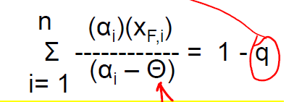
 | 5 | Min Reflux Ratio (Underwood Eqn)
 | Net Liquid | 10160.385 | kmol/hr
 | Net Feed | 1001 | kmol/hr
 | Q | 10.2
 | set eqn = 0 | 0.0
 | Θ | 1.00 | solver: find by setting ^ =0

 | Component | Alpha i | X_F,i | Alpha i*X_F,i/ (alpha - Θ) | (Alpha_i*X_D,i)/ (alpha-Θ)
 | Ethylene | 7.905665841 | 0 | 0 | 0
 | Acetylene | 4.0599637935 | 0.0001 | 0.000132689272 | 0.00022838974999
 | HCl | 3.9882857108 | 0 | 0 | 0
 | Cl2 | 1.5844725294 | 0.0003 | 0.00081357693703 | 0.0014003588792
 | VinylCl | 1.2609807445 | 0.5812 | 2.8104557377 | 4.830739353
 | Butadiene | 1 | 0.0025 | -11.852020666 | -1.5097975596
 | 12-ClC2 | 0.20876463247 | 0.4151 | -0.10949346623 | 0
 | 112-ClC2 | 0.1181122048 | 0.0009 | -0.00012050916835 | 0
 |  |  | Sum | -9.1502326374 | 3.3225705421

 | 6 | Rmin | 2.32
 | R/Rmin | 1.4
 | R | 3.25

 | 7 | Actual # of stages, N (Gilliland Correlation or Figure 13.1)
 | Left Side | 0.4328932776 | Right Side | 0.43289357773 | Set = 0 | -3.0013350122E-07
 | N | 70 | solver

 | 8 | Feed Stage (Kirkbride Eqn)
 | N_D / N_B | 0.49
 | N_B | 46.88
 | N_D | 23.12
 | Feed Stage | 24.00

 | 9 | Column Internals (trays, random or structural packing)
 | Hole Diameter | 0.015 | m | Slides
 | Fractional Free Area | 0.1 | m^2 | Slides
 | Downcomer Area | 0.2 | m^2 | Slides
 | Pitch/Hole diameter ratio | 3 |  | Slides
 | Tray Spacing | 0.6096 | m | Slides
 | Weir Height | 0.05 | m | Slides
 | Average Liquid Viscosity | 0.11 | cP
 | Average Product Volatility | 1.26 |  | Lk/Hk geometric
 | product | 0.141
 | Eo | 0.82 |  | from figure 13.3
 | N_Actual | 86
 | Tray Type | Sieve

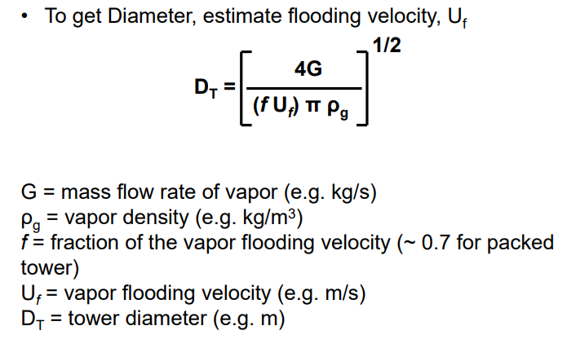
 | 10 | Column Diameter
 | G | 5.1E+05 | lb/hr
 |  | 4.02 | kg/s
 | L | 520802.46688 | lb/hr
 |  | 4.08 | kg/s
 | rho_g | 3.1 | lb/ft^3
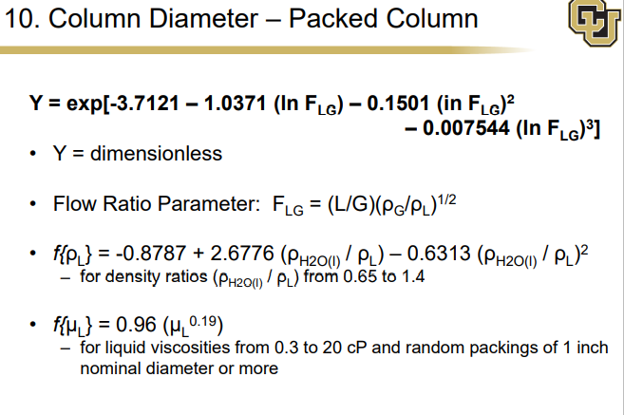
 |  | 0.09 | kg/ft^3
 | rho_I | 49.4 | lb/ft^3
 |  | 1.39 | kg/ft^3
 | C_SB | 0.24 | ft/s | from figure
 | sigma | 11.19 | dyne/cm
 | F_ST (surface tension factor) | 0.89
 | F_F (foam factor) | 1 | *Assuming no foaming in the system
 | F_HA (hole factor) | 1 | *sieve trays
 | C (empirical capacity parameter) | 0.21 | ft/s
 | Uf (vapor flooding velocity | 0.82 | ft/s
 | F_LG | 0.26
 | f (fraction of the vapor flooding velocity) | 0.8 |  | Trayed vs. Packed? | 0.75-0.85
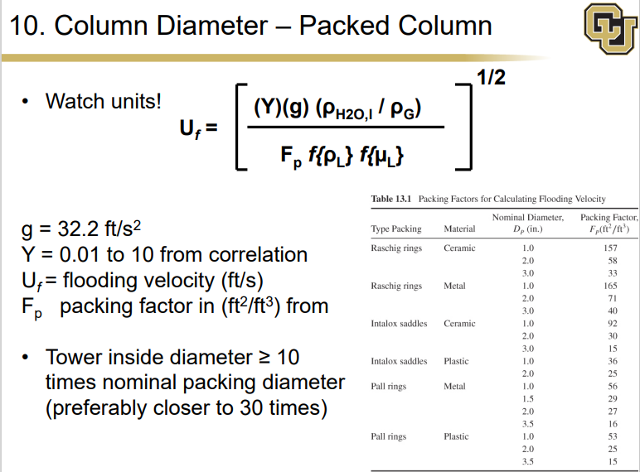
 | Ad/At | 0.1 | from figure
 | Tower Diameter | 9.89 | ft |  | 20 ft max

 | 11 | Column Height
 | Tower Height | 170.00 | ft |  | 150 ft max
 |  | 51.82 | m
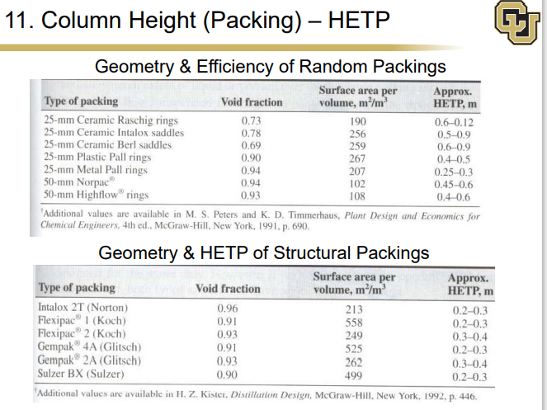
 | Disengagment Height | 4 | ft
 | bottoms storage height | 10 | ft
 | Tower Height (tangent-to-tangent) | 184.00 | ft

 | Construction Material?

 | Performance Tab
 | Viscosity through the column (cP) | L (lb/hr) | G (lb/hr) | Liquid density (lb/ft^3) | Gas density (lb/ft^3) | Surface Tension (dyne/cm)
 | 9.50E-02 | 573271.79094 | 1.18E-03 | 46.548219143 | 3.4940744146 | 5.5649191779
 | 9.50E-02 | 573243.79723 | 609591.59561 | 46.545706104 | 3.4939381525 | 5.5660810254
 | 9.50E-02 | 573198.8054 | 609563.60191 | 46.544351849 | 3.4937759616 | 5.5684091588
 | 9.50E-02 | 573127.18552 | 609518.61007 | 46.543855142 | 3.4935529 | 5.5723999787
 | 9.50E-02 | 573013.59565 | 609446.99019 | 46.544102724 | 3.4932210626 | 5.5789074151
 | 9.50E-02 | 572833.67403 | 609333.40032 | 46.545143895 | 3.4927092529 | 5.5893270462
 | 9.50E-02 | 572548.75974 | 609153.4787 | 46.547201153 | 3.4919076033 | 5.6058989023
 | 9.50E-02 | 572097.44 | 608868.56442 | 46.550720536 | 3.4906437217 | 5.6321979117
 | 9.51E-02 | 571381.89512 | 608417.24467 | 46.556478809 | 3.4886449074 | 5.6739278255
 | 9.52E-02 | 570245.34575 | 607701.69979 | 46.565801081 | 3.4854772942 | 5.7402177873
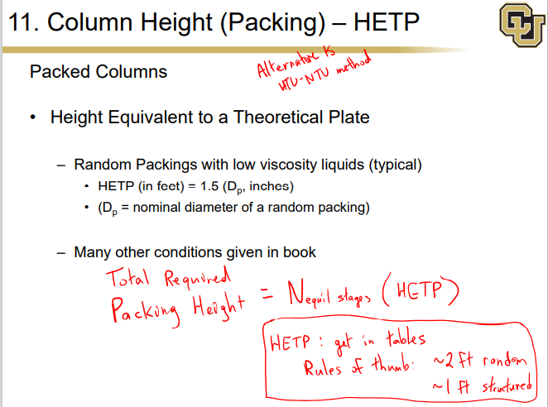
 | 9.53E-02 | 568432.57512 | 606565.15042 | 46.58109751 | 3.4804452929 | 5.8457826582
 | 9.54E-02 | 565509.87208 | 604752.37979 | 46.605309028 | 3.4724152744 | 6.0146749668
 | 9.57E-02 | 560648.68835 | 601829.67676 | 46.648650844 | 3.4594579264 | 6.2874076066
 | 9.63E-02 | 551812.27821 | 596968.49303 | 46.740079803 | 3.4378852434 | 6.7371550912
 | 9.80E-02 | 532254.25407 | 588132.08288 | 47.013075504 | 3.398655694 | 7.5183555562
 | 1.05E-01 | 611745.34958 | 568574.05874 | 48.152265702 | 3.3124259871 | 9.039880837
 | 1.05E-01 | 611631.91062 | 565763.36733 | 48.15312599 | 3.3121572517 | 9.04589497
 | 1.05E-01 | 611412.79865 | 565649.92838 | 48.155145666 | 3.3116472983 | 9.0575665075
 | 1.05E-01 | 610989.16747 | 565430.81641 | 48.159298541 | 3.3106678587 | 9.0801723925
 | 1.05E-01 | 610168.98185 | 565007.18522 | 48.167953479 | 3.3087774831 | 9.1239670056
 | 1.05E-01 | 608576.78074 | 564186.9996 | 48.183974742 | 3.3051183883 | 9.2089742984
 | 1.05E-01 | 605468.2563 | 562594.7985 | 48.215843408 | 3.2980112378 | 9.3746928244
 | 1.05E-01 | 599322.47657 | 559486.27406 | 48.280583307 | 3.2841176428 | 9.7006374466
 | 1.06E-01 | 586829.53899 | 553340.49433 | 48.420071736 | 3.2565800685 | 10.353552964
 | 1.09E-01 | 560004.26738 | 540847.55675 | 48.762356755 | 3.200333448 | 11.712374434
 | 1.15E-01 | 499146.45976 | 514022.28513 | 49.81471032 | 3.0784880497 | 14.76757739
 | 1.40E-01 | 384455.86892 | 453164.47751 | 53.517744315 | 2.8005138485 | 22.201856018
 | 1.74E-01 | 292504.24992 | 338473.88667 | 58.917403553 | 2.3029478745 | 30.627577584
 | 1.74E-01 | 283545.32252 | 246522.26768 | 59.651329505 | 1.8615050237 | 30.184773515
 | 1.67E-01 | 298474.1218 | 237563.34028 | 59.607169284 | 1.7387214554 | 28.634004694
 | 1.68E-01 | 341801.44949 | 252492.13956 | 59.606611419 | 1.801871333 | 26.110428662
 | 1.65E-01 | 45981.982243 | 295819.46725 | 59.287319329 | 2.0698471114 | 21.469288147

D3
 | Light Key |  |  | Heavy Key |  |  | HYSYS |  |  | Given
 | Trayed
 | 1 |  | total flowrate | 360.4 | kgmole/hr
1 | Column 3 | K Feed Value | Feed Molar Frac | Feed Molar Flow | Distillate Recovery | Bottoms Recovery | Distillate Molar Flows | Bottoms Molar Flow | Distillate Mol frac | Bottoms Mol Frac
2 | Ethylene | 20 | 0.0569 | 20.50676 | 0 | 1 | 0 | 20.50676 | 0 | 0.059544365261 |  |  | Feed P | 1100 | kPa | Shortcut Column
3 | Acetylene | 17.28 | 0.0061 | 2.19844 | 0 | 1 | 0 | 2.19844 | 0 | 0.0063834908277 |  |  | Feed T | 10.4 | C | Min # of Trays | 5
4 | HCl | 13 | 0.1265 | 45.5906 | 0 | 1 | 0 | 45.5906 | 0 | 0.13237894913 |  |  | Mol Flow | 360.4 | kmol/hr | Actual # of Trays | 14
5 | Cl2 | 4.5 | 0.0053 | 1.91012 | 0 | 1 | 0 | 1.91012 | 0 | 0.0055463117027 |  |  |  |  |  | Optimal Feed Stage | 8
6 | VinylCl | 3.5 | 0.015 | 5.406 | 0 | 1 | 0 | 5.406 | 0 | 0.015697108593 |  |  |  |  |  | Condesner Temp | -36.54 | C
7 | Butadiene | 4.4 | 0 | 0 | 0 | 1 | 0 | 0 | 0 | 0 |  |  |  |  |  | Reboiler Temp | 186.4 | C
8 | 12-ClC2 | 0.6 | 0.715 | 257.686 | 0.01 | 0.99 | 2.57686 | 255.10914 | 0.16099977483 | 0.74074655448 |  |  |  |  |  | Min Reflux Ratio | 0.101
9 | 112-ClC2 | 0 | 0 | 0 | 1 | 0 | 0 | 0 | 0 | 0 |  |  |  |  |  | External reflux Ratio | 0.162
10 | Oxygen | 0 | 0 | 0 | 0 | 1 | 0 | 0 | 0 | 0
11 | CO2 | 17.4 | 0.0338 | 12.18152 | 0 | 1 | 0 | 12.18152 | 0 | 0.035370818029
 | Water | 1.6 | 0.0414 | 14.92056 | 0.9 | 0.1 | 13.428504 | 1.492056 | 0.83900022517 | 0.0043324019716
 |  |  |  |  |  | sum | 16.005364 | 344.394636

 | 2

 | Reboiler Pressure | 160 | psia | Textbook Page 386
 | Condensor Pressure | 154 | psia
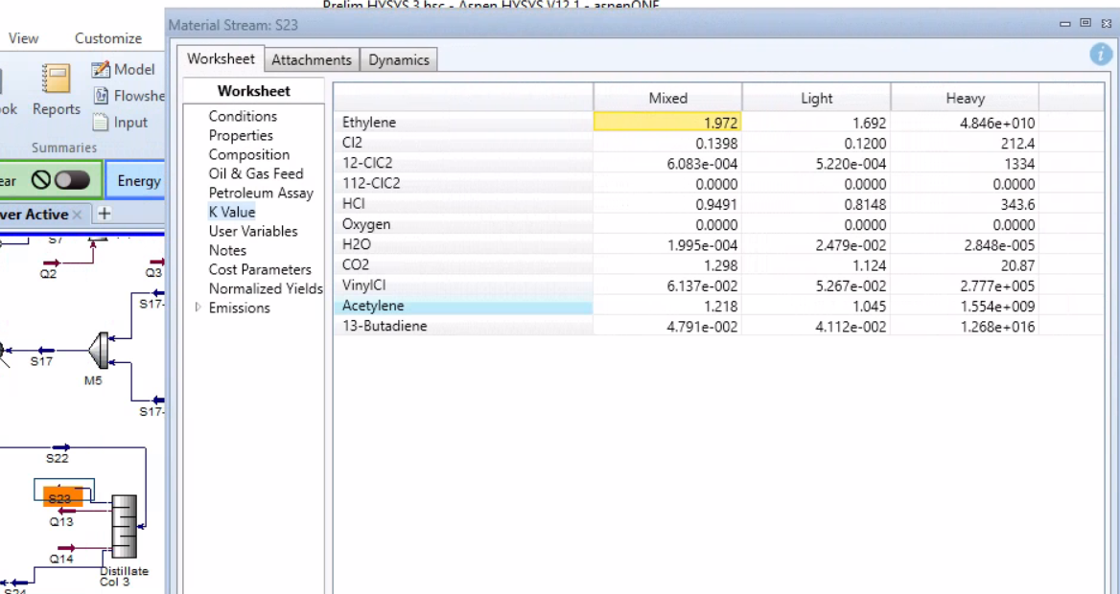
 |  | K Feed Value | K Values Distillate (Full Column) | K Values Bottoms (Full Column) | K Values Geometric
 | Ethylene | 20.00 | 21.99 | 19.23 | 38.98
 | Acetylene | 17.28 | 17.28 | 17.28 | 32.75
 | HCl | 13.00 | 12.04 | 14.97 | 25.45
 | Cl2 | 4.50 | 3.80 | 6.288 | 9.27
 | VinylCl | 3.50 | 2.91 | 4.877 | 7.14
 | Butadiene | 4.40 | 3.90 | 4.912 | 8.29
 | 12-ClC2 | 0.60 | 0.28 | 0.9793 | 1.00
 | 112-ClC2 | 0.00 | 0.00 | 0 | 0.00
 | Oxygen | 0.00 | 0.00 | 0 | 0.00
 | CO2 | 17.40 | 16.32 | 19.31 | 33.65
 | Water | 1.60 | 0.80 | 2.405 | 2.63

 | 3 | Min # of Stages (Fenske Eqn) | 7

 | dLK | 13.428504 | alpha A (Lk/Hk) | 2.82E+00
 | bLK | 1.492056 | alpha B | 2.4558358011
 | bHK | 255.10914 | alpha average | 2.6312256651
 | dHK | 2.57686

 | 4 | Estimate of non-key comppnents compisitions: |  |  |  |  |  |  |  | Fi = Di + Bi
 | Component | Feed Molar Flows (kmol/hr) | Distillate Recovery | Bottoms Recovery | Ratio Ditillate / Bottoms | Bottoms Molar Flows (kmol/hr) | Distallate Molar Flows (kmol/hr) | X_D_i | X_B_i | alpha i | D i | B i
 | Ethylene | 20.51 | 0 | 1 | 32076835294 | 20.50676 | 0 | 0.13795781722 | 3.0190629042E-12 | 38.979148054 | 20.51 | 6.3930122194E-10
 | Acetylene | 2.20 | 0 | 1 | 9455936749.8 | 2.19844 | 0 | 0.014789853866 | 1.0979351424E-12 | 32.754714934 | 2.20 | 2.3249309486E-10
 | HCl | 45.59 | 0 | 1 | 28047956.767 | 45.5906 | 0 | 0.30670761435 | 7.6761011764E-09 | 14.296600595 | 45.59 | 1.6254516774E-06
 | Cl2 | 1.91 | 0 | 1 | 1335016.9778 | 1.91012 | 0 | 0.012850191276 | 6.7567860152E-09 | 9.2656982087 | 1.91 | 1.4307822304E-06
 | VinylCl | 5.41 | 0 | 1 | 213379.07569 | 5.406 | 0 | 0.036368322677 | 1.196434159E-07 | 7.1359905908 | 5.41 | 2.5335073964E-05
 | Butadiene | 0.00 | 0 | 1 | 613475.09861 | 0 | 0 | 0 | 0 | 8.294308459 | 0.00 | 0
 | 12-ClC2 | 257.69 | 0.01 | 0.99 | 0.21734799015 | 255.10914 | 2.57686 | 0.30951448272 | 0.9996378884 | 1 | 46.01 | 211.67817427
 | 112-ClC2 | 0.00 | 1 | 0 | 0 | 0 | 0 | 0 | 0 | 0 | 0.00 | 0
 | Oxygen | 0.00 | 0 | 1 | 0 | 0 | 0 | 0 | 0 | 0 | 0.00 | 0
 | CO2 | 12.18 | 0 | 1 | 11426186020 | 12.18152 | 0 | 0.081950337817 | 5.0346214267E-12 | 33.64970801 | 12.18 | 1.0661055209E-09
 | Water | 14.92 | 0.9 | 0.1 | 193.65705922 | 1.492056 | 13.428504 | 0.09986138007 | 0.00036197751382 | 2.6312256651 | 14.84 | 0.076650495285
 | Sum | 360.40 |  |  |  | 344.394636 | 16.005364 | 1 | 1 |  | 148.65 | 211.75

 | 5 | Min Reflux Ratio (Underwood Eqn)
 | Net Liquid | 377.14 | kmol/hr
 | Net Feed | 360.4 | kmol/hr
 | Q | 1.05
 | set eqn = 0 | 0.00
 | Θ | 2.2139908815 | solver: find by setting ^ =0

 | Component | Alpha i | X_F,i | Alpha i*X_F,i/ (alpha - Θ) | (Alpha_i*X_D,i)/ (alpha-Θ)
 | Ethylene | 38.979148054 | 0.0569 | 0.060326507347 | 0.14626561114
 | Acetylene | 32.754714934 | 0.0061 | 0.006542207734 | 0.015862015795
 | HCl | 14.296600595 | 0.1265 | 0.14967958232 | 0.36290804436
 | Cl2 | 9.2656982087 | 0.0053 | 0.0069640156954 | 0.016884704478
 | VinylCl | 7.1359905908 | 0.015 | 0.021747229822 | 0.052727351434
 | Butadiene | 8.294308459 | 0 | 0 | 0
 | 12-ClC2 | 1 | 0.715 | -0.58896653252 | -0.25495618413
 | CO2 | 33.64970801 | 0.0338 | 0.036180505318 | 0.087722030568
 | Water | 2.6312256651 | 0.0414 | 0.26108260105 | 0.62976011723
 |  |  | sum | -0.046443883223 | 1.0571736909

 | 6 | Rmin | 0.06
 | R/Rmin | 1.4
 | R | 0.08

 | 7 | Actual # of stages, N (Gilliland Correlation or Figure 13.1)
 | Left Side | 0.6653800801 | Right Side | 0.66538007932 | Set = 0 | 7.7687756228E-10
 | N | 23 | solver

 | 8 | Feed Stage (Kirkbride Eqn)
 | N_D / N_B | 0.76
 | N_B | 13.03
 | N_D | 9.94
 | Feed Stage | 10

 | 9 | Column Internals (trays, random or structural packing)
 | Hole Diameter | 0.015 | m | Slides
 | Fractional Free Area | 0.1 | m^2 | Slides
 | Downcomer Area | 0.2 | m^2 | Slides
 | Pitch/Hole diameter ratio | 3 |  | Slides
 | Tray Spacing | 0.5 | m | Slides
 | Weir Height | 0.05 | m | Slides
 | Average Liquid Viscosity | 0.01 | cP
 | Average Product Volatility | 2.63 |  | Lk/Hk geometric
 | product | 0.037
 | Eo | 0.83 |  | from figure 13.3
 | N_Actual | 28
 | Tray Type | Sieve

 | 10 | Column Diameter
 | G | 3.5E+04 | lb/hr
 |  | 0.27 | kg/s
 | L | 53163.777369 | lb/hr
 |  | 0.42 | kg/s
 | rho_g | 1.5 | lb/ft^3
 |  | 0.04 | kg/ft^3
 | rho_I | 64.0 | lb/ft^3
 |  | 1.80 | kg/ft^3
 | C_SB | 0.25 | ft/s | from figure
 | sigma | 17.03 | dyne/cm
 | F_ST (surface tension factor) | 0.97
 | F_F (foam factor) | 1 | *Assuming no foaming in the system
 | F_HA (hole factor) | 1 | *sieve trays
 | C (empirical capacity parameter) | 0.24 | ft/s
 | Uf (vapor flooding velocity | 1.58 | ft/s
 | F_LG | 0.23
 | f (fraction of the vapor flooding velocity) | 0.8 |  | Trayed vs. Packed? | 0.75-0.85
 | Ad/At | 0.11 | from figure
 | Tower Diameter | 2.73 | ft |  | 3-20 ft max

 | 11 | Column Height
 | Tower Height | 44.29 | ft |  | 20-150 ft max
 |  | 13.50 | m

 | Disengagment Height | 4 | ft
 | bottoms storage height | 10 | ft
 | Tower Height (tangent-to-tangent) | 58.29 | ft

 | Construction Material?

 | Performance Tab
 | Viscosity through the column (cP) | L (lb/hr) | G (lb/hr) | Liquid density (lb/ft^3) | Gas density (lb/ft^3) | Surface Tension (dyne/cm)
 | 9.72E-03 | 2169.9005015 | 2.52E-06 | 64.757706439 | 1.3178302102 | 18.549551892
 | 1.51E-02 | 2243.5099937 | 13997.925021 | 67.013746541 | 1.0954097961 | 21.747968589
 | 1.50E-02 | 2323.0248313 | 14573.683494 | 66.252463888 | 1.1480462664 | 20.60550274
 | 1.50E-02 | 2327.9344164 | 14653.198332 | 66.224076526 | 1.1509800765 | 20.523042445
 | 1.50E-02 | 2328.4185466 | 14658.107917 | 66.222333631 | 1.1512428767 | 20.514042628
 | 1.50E-02 | 2328.4771052 | 14658.592047 | 66.222163057 | 1.1512736961 | 20.512921504
 | 1.50E-02 | 2328.4846198 | 14658.650605 | 66.222142503 | 1.1512776073 | 20.512777189
 | 1.50E-02 | 2328.4855992 | 14658.65812 | 66.22213987 | 1.1512781137 | 20.512758455
 | 1.50E-02 | 2328.4857211 | 14658.659099 | 66.222139527 | 1.1512781796 | 20.512756017
 | 1.50E-02 | 2328.4857414 | 14658.659221 | 66.222139484 | 1.1512781881 | 20.512755703
 | 1.50E-02 | 91353.081102 | 14658.659242 | 66.222139477 | 1.1512781893 | 20.512755659
 | 1.39E-02 | 109889.08465 | 38622.708666 | 62.117439998 | 1.6066281137 | 15.614368219
 | 1.37E-02 | 115445.84469 | 57158.712217 | 61.44819253 | 1.7492855534 | 14.1134675
 | 1.37E-02 | 118875.21532 | 62715.472259 | 61.170691742 | 1.8367997588 | 13.074196965
 | 1.37E-02 | 121704.10488 | 66144.842886 | 60.956378027 | 1.9115205505 | 12.216583311
 | 1.37E-02 | 124024.17283 | 68973.732439 | 60.780932421 | 1.9747450818 | 11.528813353
 | 1.37E-02 | 125843.03389 | 71293.800399 | 60.641256364 | 2.0254729222 | 11.001561282
 | 1.37E-02 | 127211.65314 | 73112.661451 | 60.53553018 | 2.0642795169 | 10.612087328
 | 1.37E-02 | 52730.372436 | 74481.2807 | 60.458090855 | 2.0928896195 | 10.33224938

